GraficoCanales
Suma de UdsVendidas | Etiquetas de columna
Etiquetas de fila | Asia | Australia and Oceania | Central America and the Caribbean | Europe | Middle East and North Africa | North America | Sub-Saharan Africa | Total general
Direct | 1588 | 848 | 740 | 3588 | 1014 |  | 2985 | 10763
2015 | 413 | 382 | 227 | 1216 | 257 |  | 1401 | 3896
2016 | 1175 | 466 | 513 | 2372 | 757 |  | 1584 | 6867
Online | 7212 | 5112 | 5913 | 11805 | 6707 | 573 | 15335 | 52657
2015 | 3522 | 1656 | 2339 | 4404 | 3041 | 41 | 5303 | 20306
2016 | 3690 | 3456 | 3574 | 7401 | 3666 | 532 | 10032 | 32351
Retail | 5864 | 3141 | 4328 | 11536 | 5968 | 455 | 13328 | 44620
2015 | 2708 | 1106 | 1344 | 4812 | 2884 | 168 | 5145 | 18167
2016 | 3156 | 2035 | 2984 | 6724 | 3084 | 287 | 8183 | 26453
Total general | 14664 | 9101 | 10981 | 26929 | 13689 | 1028 | 31648 | 108040

 | Asia | Australia and Oceania | Central America and the Caribbean | Europe | Middle East and North Africa | North America | Sub-Saharan Africa
2015 | 413 | 382 | 227 | 1216 | 257 |  | 1401
2016 | 1175 | 466 | 513 | 2372 | 757 |  | 1584
2015 | 3522 | 1656 | 2339 | 4404 | 3041 | 41 | 5303
2016 | 3690 | 3456 | 3574 | 7401 | 3666 | 532 | 10032
2015 | 2708 | 1106 | 1344 | 4812 | 2884 | 168 | 5145
2016 | 3156 | 2035 | 2984 | 6724 | 3084 | 287 | 8183

Rentabilidad-Solver
 |  |  | real
`` | Suma de CosteUndsVente | Suma de ingresos | inventarioMedio | Beneficio
Asia | 8127.5 | 15240.47 | 10972 | 11343.47
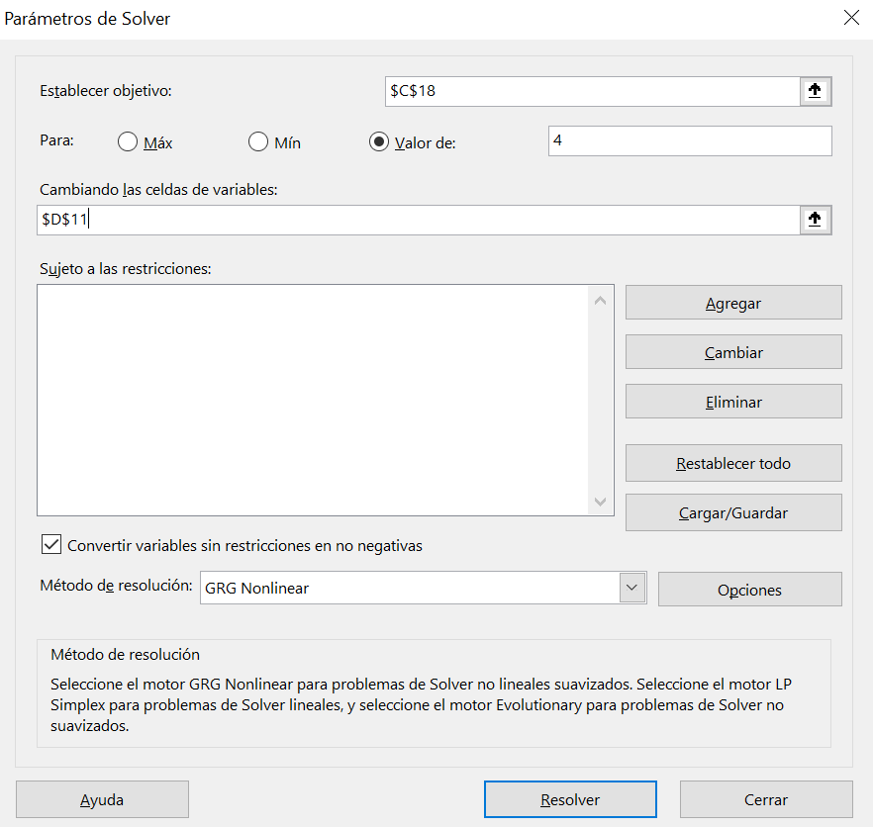
Australia and Oceania | 6590.5 | 11760.16 | 4047 | 8665.71
Central America and the Caribbean | 6152.5 | 11775.49 | 7690 | 4059.05
Europe | 16275.5 | 29572.24 | 12372 | 18603.5
Middle East and North Africa | 4372 | 7439.65 | 11415 | 4943.13
North America | 1955 | 3655.56 | 285 | 3640.56
Sub-Saharan Africa | 18899 | 34220.67 | 26618 | 21441.72
Total general | 62372 | 113664.24 | 12823.075395 | 10385.305714

 | rotacion | 4.8640437709
 | margen | 0.82236003335
 | rentabilidad economica | 3.9999951977

 | Para que la rentabilidad económica sea 4 El inventario medio debe valer 12823,0754

